Лист1
22.12 | 22.12 | 22.06 | 22.11 | 22.12 | 22.09 | 22.08 | 22.14 | 22.05 | 22.11 | 0 | 0 | 0 | 0 | 0 | 0 | 0 | 0 | 0 | 0
22.12 | 22.08 | 22.09 | 22.07 | 22.11 | 22.14 | 22.05 | 22.05 | 22.08 | 22.06 | 0 | 0 | 0 | 0 | 0 | 0 | 0 | 0 | 0 | 0
22.1 | 22.09 | 22.08 | 22.1 | 22.09 | 22.06 | 22.13 | 22.14 | 22.13 | 22.09 | 0 | 0 | 0 | 0 | 0 | 0 | 0 | 0 | 0 | 0
22.09 | 22.09 | 22.14 | 22.08 | 22.06 | 22.09 | 22.12 | 22.04 | 22.11 | 22.13 | 0 | 0 | 0 | 0 | 0 | 0 | 0 | 22.04 | 0 | 0
22.06 | 22.12 | 22.08 | 22.04 | 22.11 | 22.09 | 22.04 | 22.13 | 22.1 | 22.07 | 0 | 0 | 0 | 22.04 | 0 | 0 | 22.04 | 0 | 0 | 0
22.05 | 22.07 | 22.13 | 22.06 | 22.11 | 22.07 | 22.12 | 22.1 | 22.1 | 22.08 | 0 | 0 | 0 | 0 | 0 | 0 | 0 | 0 | 0 | 0
22.09 | 22.1 | 22.07 | 22.11 | 22.12 | 22.12 | 22.08 | 22.12 | 22.14 | 22.12 | 0 | 0 | 0 | 0 | 0 | 0 | 0 | 0 | 0 | 0
22.05 | 22.11 | 22.06 | 22.09 | 22.04 | 22.08 | 22.11 | 22.08 | 22.12 | 22.14 | 0 | 0 | 0 | 0 | 22.04 | 0 | 0 | 0 | 0 | 0
22.11 | 22.08 | 22.11 | 22.08 | 22.11 | 22.09 | 22.07 | 22.13 | 22.06 | 22.13 | 0 | 0 | 0 | 0 | 0 | 0 | 0 | 0 | 0 | 0
22.06 | 22.06 | 22.13 | 22.07 | 22.13 | 22.05 | 22.13 | 22.12 | 22.09 | 22.13 | 0 | 0 | 0 | 0 | 0 | 0 | 0 | 0 | 0 | 0

Xmax= | 22.14 |  |  |  |  |  |  |  |  | 0 | 0 | 0 | 0 | 0 | 0 | 0 | 0 | 22.05 | 0
Xmin= | 22.04 |  |  |  |  |  |  |  |  | 0 | 0 | 0 | 0 | 0 | 0 | 22.05 | 22.05 | 0 | 0
R= | 0.1 |  |  |  |  |  |  |  |  | 0 | 0 | 0 | 0 | 0 | 0 | 0 | 0 | 0 | 0
Гистограмма
k= | 9 |  |  |  |  |  |  |  |  | 0 | 0 | 0 | 0 | 0 | 0 | 0 | 0 | 0 | 0
h= | 0.012 |  |  |  |  |  |  |  |  | 0 | 0 | 0 | 0 | 0 | 0 | 0 | 0 | 0 | 0
Ниж. гран. = | 22.035 |  |  |  |  |  |  |  |  | 22.05 | 0 | 0 | 0 | 0 | 0 | 0 | 0 | 0 | 0
 |  |  |  |  |  |  |  |  |  | 0 | 0 | 0 | 0 | 0 | 0 | 0 | 0 | 0 | 0
 |  |  |  |  |  |  |  |  |  | 22.05 | 0 | 0 | 0 | 0 | 0 | 0 | 0 | 0 | 0
Границы интервалов |  | Частота | Наиб. число в интервале |  |  |  |  |  |  | 0 | 0 | 0 | 0 | 0 | 0 | 0 | 0 | 0 | 0
22.035 | 22.047 | 4 | 22.04 |  |  |  |  |  |  | 0 | 0 | 0 | 0 | 0 | 22.05 | 0 | 0 | 0 | 0
22.047 | 22.059 | 6 | 22.05
22.059 | 22.071 | 17 | 22.07 |  |  |  |  |  |  | 0 | 0 | 22.06 | 0 | 0 | 0 | 0 | 0 | 0 | 0
22.071 | 22.083 | 12 | 22.08 |  |  |  |  |  |  | 0 | 0 | 0 | 22.07 | 0 | 0 | 0 | 0 | 0 | 22.06
22.083 | 22.095 | 13 | 22.09 |  |  |  |  |  |  | 0 | 0 | 0 | 0 | 0 | 22.06 | 0 | 0 | 0 | 0
22.095 | 22.107 | 6 | 22.1 |  |  |  |  |  |  | 0 | 0 | 0 | 0 | 22.06 | 0 | 0 | 0 | 0 | 0
22.107 | 22.119 | 12 | 22.11 |  |  |  |  |  |  | 22.06 | 0 | 0 | 0 | 0 | 0 | 0 | 0 | 0 | 22.07
22.119 | 22.131 | 24 | 22.13 |  |  |  |  |  |  | 0 | 22.07 | 0 | 22.06 | 0 | 22.07 | 0 | 0 | 0 | 0
22.131 | 22.143 | 6 | 22.14 |  |  |  |  |  |  | 0 | 0 | 22.07 | 0 | 0 | 0 | 0 | 0 | 0 | 0
 |  |  |  |  |  |  |  |  |  | 0 | 0 | 22.06 | 0 | 0 | 0 | 0 | 0 | 0 | 0
Середина интервала xi | Частота mi | xi*mi | xi-x̅ | (xi-x̅)^2 | ((xi-x̅)^2)*mi |  |  |  |  | 0 | 0 | 0 | 0 | 0 | 0 | 22.07 | 0 | 22.06 | 0
22.041 | 4 | 88.164 | -0.05352 | 0.0028643904 | 0.0114575616 |  |  |  |  | 22.06 | 22.06 | 0 | 22.07 | 0 | 0 | 0 | 0 | 0 | 0
22.053 | 6 | 132.318 | -0.04152 | 0.0017239104 | 0.0103434624
22.065 | 17 | 375.105 | -0.02952 | 0.0008714304 | 0.0148143168 |  |  |  |  | 0 | 0 | 0 | 0 | 0 | 0 | 22.08 | 0 | 0 | 0
22.077 | 12 | 264.924 | -0.01752 | 0.0003069504 | 0.0036834048 |  |  |  |  | 0 | 22.08 | 0 | 0 | 0 | 0 | 0 | 0 | 22.08 | 0
22.089 | 13 | 287.157 | -0.00552 | 3.04704E-05 | 0.0003961152 |  |  |  |  | 0 | 0 | 22.08 | 0 | 0 | 0 | 0 | 0 | 0 | 0
22.101 | 6 | 132.606 | 0.00648 | 4.19904E-05 | 0.0002519424 |  |  |  |  | 0 | 0 | 0 | 22.08 | 0 | 0 | 0 | 0 | 0 | 0
22.113 | 12 | 265.356 | 0.01848 | 0.0003415104 | 0.0040981248 |  |  |  |  | 0 | 0 | 22.08 | 0 | 0 | 0 | 0 | 0 | 0 | 0
22.125 | 24 | 531 | 0.03048 | 0.0009290304 | 0.0222967296 |  |  |  |  | 0 | 0 | 0 | 0 | 0 | 0 | 0 | 0 | 0 | 22.08
22.137 | 6 | 132.822 | 0.04248 | 0.0018045504 | 0.0108273024 |  |  |  |  | 0 | 0 | 0 | 0 | 0 | 0 | 22.08 | 0 | 0 | 0
 |  |  |  |  |  |  |  |  |  | 0 | 0 | 0 | 0 | 0 | 22.08 | 0 | 22.08 | 0 | 0
x̅= | 22.09452 |  |  |  |  |  |  |  |  | 0 | 22.08 | 0 | 22.08 | 0 | 0 | 0 | 0 | 0 | 0
σ‎= | 0.027958712417 |  |  |  |  |  |  |  |  | 0 | 0 | 0 | 0 | 0 | 0 | 0 | 0 | 0 | 0

z | Ф(z) | F(z)=0,5+Ф(z) | mi/n | Fn(x) | Fn(x)-Ф(x) |  |  |  |  | 0 | 0 | 0 | 0 | 0 | 22.09 | 0 | 0 | 0 | 0
-1.9500182693 | 0.9216 | 1.4216 | 0.04 | 0.04 | -0.8816 |  |  |  |  | 0 | 0 | 22.09 | 0 | 0 | 0 | 0 | 0 | 0 | 0
-1.5923480072 | 0.8444 | 1.3444 | 0.06 | 0.1 | -0.7844 |  |  |  |  | 0 | 22.09 | 0 | 0 | 22.09 | 0 | 0 | 0 | 0 | 22.09
-0.87700748284 | 0.5527 | 1.0527 | 0.17 | 0.27 | -0.3827 |  |  |  |  | 22.09 | 22.09 | 0 | 0 | 0 | 22.09 | 0 | 0 | 0 | 0
-0.51933722067 | 0.3255 | 0.8255 | 0.12 | 0.39 | -0.2055 |  |  |  |  | 0 | 0 | 0 | 0 | 0 | 22.09 | 0 | 0 | 0 | 0
-0.1616669585 | 0.0717 | 0.5717 | 0.13 | 0.52 | 0.0583 |  |  |  |  | 0 | 0 | 0 | 0 | 0 | 0 | 0 | 0 | 0 | 0
0.19600330367 | 0.1897 | 0.6897 | 0.06 | 0.58 | -0.1297 |  |  |  |  | 22.09 | 0 | 0 | 0 | 0 | 0 | 0 | 0 | 0 | 0
0.55367356584 | 0.4313 | 0.9313 | 0.12 | 0.7 | -0.3113 |  |  |  |  | 0 | 0 | 0 | 22.09 | 0 | 0 | 0 | 0 | 0 | 0
1.2690140902 | 0.785 | 1.285 | 0.24 | 0.94 | -0.545 |  |  |  |  | 0 | 0 | 0 | 0 | 0 | 22.09 | 0 | 0 | 0 | 0
1.6266843523 | 0.8859 | 1.3859 | 0.06 | 1 | -0.8259 |  |  |  |  | 0 | 0 | 0 | 0 | 0 | 0 | 0 | 0 | 22.09 | 0

λ= | 0.583 |  |  |  |  |  |  |  |  | 0 | 0 | 0 | 0 | 0 | 0 | 0 | 0 | 0 | 0
P(λ)= | 0.544 |  |  |  |  |  |  |  |  | 0 | 0 | 0 | 0 | 0 | 0 | 0 | 0 | 0 | 0
 | Подчиняется нормальному закону. |  |  |  |  |  |  |  |  | 22.1 | 0 | 0 | 22.1 | 0 | 0 | 0 | 0 | 0 | 0
 |  |  |  |  |  |  |  |  |  | 0 | 0 | 0 | 0 | 0 | 0 | 0 | 0 | 0 | 0
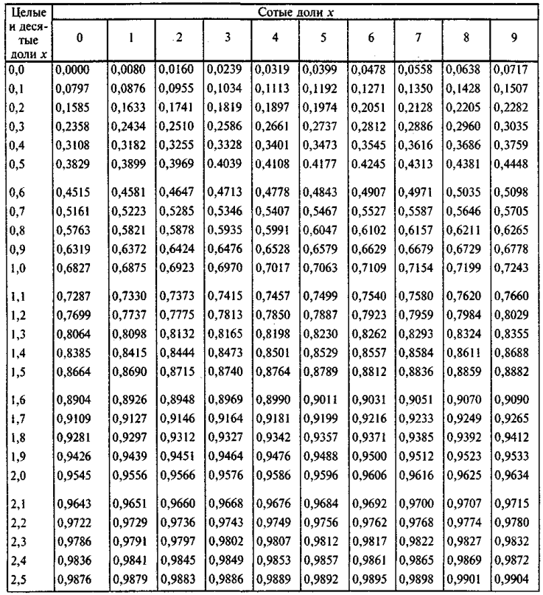
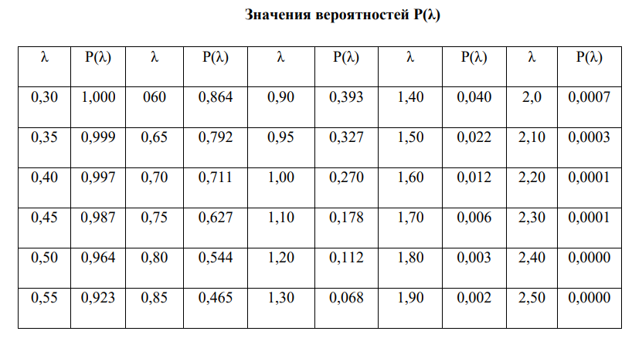
 |  |  |  |  |  |  |  |  |  | 0 | 0 | 0 | 0 | 0 | 0 | 0 | 0 | 22.1 | 0
 |  |  |  |  |  |  |  |  |  | 0 | 0 | 0 | 0 | 0 | 0 | 0 | 22.1 | 22.1 | 0
 |  |  |  |  |  |  |  |  |  | 0 | 22.1 | 0 | 0 | 0 | 0 | 0 | 0 | 0 | 0
 |  |  |  |  |  |  |  |  |  | 0 | 0 | 0 | 0 | 0 | 0 | 0 | 0 | 0 | 0
 |  |  |  |  |  |  |  |  |  | 0 | 0 | 0 | 0 | 0 | 0 | 0 | 0 | 0 | 0
 |  |  |  |  |  |  |  |  |  | 0 | 0 | 0 | 0 | 0 | 0 | 0 | 0 | 0 | 0

 |  |  |  |  |  |  |  |  |  | 0 | 0 | 0 | 22.11 | 0 | 0 | 0 | 0 | 0 | 22.11
 |  |  |  |  |  |  |  |  |  | 0 | 0 | 0 | 0 | 22.11 | 0 | 0 | 0 | 0 | 0
 |  |  |  |  |  |  |  |  |  | 0 | 0 | 0 | 0 | 0 | 0 | 0 | 0 | 0 | 0
 |  |  |  |  |  |  |  |  |  | 0 | 0 | 0 | 0 | 0 | 0 | 0 | 0 | 22.11 | 0
 |  |  |  |  |  |  |  |  |  | 0 | 0 | 0 | 0 | 22.11 | 0 | 0 | 0 | 0 | 0
 |  |  |  |  |  |  |  |  |  | 0 | 0 | 0 | 0 | 22.11 | 0 | 0 | 0 | 0 | 0
 |  |  |  |  |  |  |  |  |  | 0 | 0 | 0 | 22.11 | 0 | 0 | 0 | 0 | 0 | 0
 |  |  |  |  |  |  |  |  |  | 0 | 22.11 | 0 | 0 | 0 | 0 | 22.11 | 0 | 0 | 0
 |  |  |  |  |  |  |  |  |  | 22.11 | 0 | 22.11 | 0 | 22.11 | 0 | 0 | 0 | 0 | 0
 |  |  |  |  |  |  |  |  |  | 0 | 0 | 0 | 0 | 0 | 0 | 0 | 0 | 0 | 0

 |  |  |  |  |  |  |  |  |  | 22.12 | 22.12 | 0 | 0 | 22.12 | 0 | 0 | 0 | 0 | 0
 |  |  |  |  |  |  |  |  |  | 22.12 | 0 | 0 | 0 | 0 | 0 | 0 | 0 | 0 | 0
 |  |  |  |  |  |  |  |  |  | 0 | 0 | 0 | 0 | 0 | 0 | 22.13 | 0 | 22.13 | 0
 |  |  |  |  |  |  |  |  |  | 0 | 0 | 0 | 0 | 0 | 0 | 22.12 | 0 | 0 | 22.13
 |  |  |  |  |  |  |  |  |  | 0 | 22.12 | 0 | 0 | 0 | 0 | 0 | 22.13 | 0 | 0
 |  |  |  |  |  |  |  |  |  | 0 | 0 | 22.13 | 0 | 0 | 0 | 22.12 | 0 | 0 | 0
 |  |  |  |  |  |  |  |  |  | 0 | 0 | 0 | 0 | 22.12 | 22.12 | 0 | 22.12 | 0 | 22.12
 |  |  |  |  |  |  |  |  |  | 0 | 0 | 0 | 0 | 0 | 0 | 0 | 0 | 22.12 | 0
 |  |  |  |  |  |  |  |  |  | 0 | 0 | 0 | 0 | 0 | 0 | 0 | 22.13 | 0 | 22.13
 |  |  |  |  |  |  |  |  |  | 0 | 0 | 22.13 | 0 | 22.13 | 0 | 22.13 | 22.12 | 0 | 22.13

 |  |  |  |  |  |  |  |  |  | 0 | 0 | 0 | 0 | 0 | 0 | 0 | 22.14 | 0 | 0
 |  |  |  |  |  |  |  |  |  | 0 | 0 | 0 | 0 | 0 | 22.14 | 0 | 0 | 0 | 0
 |  |  |  |  |  |  |  |  |  | 0 | 0 | 0 | 0 | 0 | 0 | 0 | 22.14 | 0 | 0
 |  |  |  |  |  |  |  |  |  | 0 | 0 | 22.14 | 0 | 0 | 0 | 0 | 0 | 0 | 0
 |  |  |  |  |  |  |  |  |  | 0 | 0 | 0 | 0 | 0 | 0 | 0 | 0 | 0 | 0
 |  |  |  |  |  |  |  |  |  | 0 | 0 | 0 | 0 | 0 | 0 | 0 | 0 | 0 | 0
 |  |  |  |  |  |  |  |  |  | 0 | 0 | 0 | 0 | 0 | 0 | 0 | 0 | 22.14 | 0
 |  |  |  |  |  |  |  |  |  | 0 | 0 | 0 | 0 | 0 | 0 | 0 | 0 | 0 | 22.14
 |  |  |  |  |  |  |  |  |  | 0 | 0 | 0 | 0 | 0 | 0 | 0 | 0 | 0 | 0
 |  |  |  |  |  |  |  |  |  | 0 | 0 | 0 | 0 | 0 | 0 | 0 | 0 | 0 | 0

